Sheet1
 | Document No. |  | Issue No. | Issue Date |  | Review and Replace Date |  | Authorised By
 | GFF497MC |  | 1 | 07.05.2025 |  | New doc
 | Document Title |  | 15 Vegetable Spring Roll 1275g
 |  |  |  |  |  |  |  | Magda Shah
Document amendments reason for change | New doc |  | Page 1 of 1 |  | Previous Issue Date |  | New doc | Uncontrolled copy unless signed original

CVSRL1-B15X4T |  | GAZEBO-Morrison |  |  | 15 Vegetable Spring Roll 1275g
STEP 1 |  |  |  |  | STEP 2


New Recipe

Tray: HW308/60 open ECO tray- (PKESS001-12) |  |  |  |  | Vegetable Spring Roll-(TJY Pastry)- (GFF530R) : 85g 15 Pieces (1275g)
Film: K Peel RPSM 25µm (340mmX1000lm)-(PKKMP001-05)
STEP 3
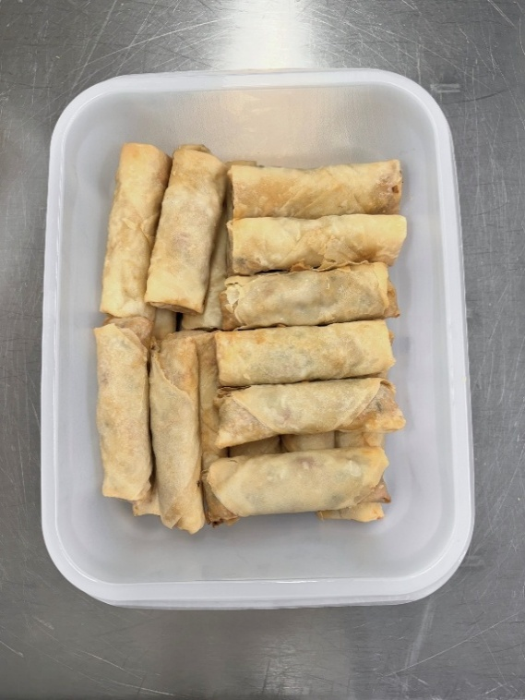
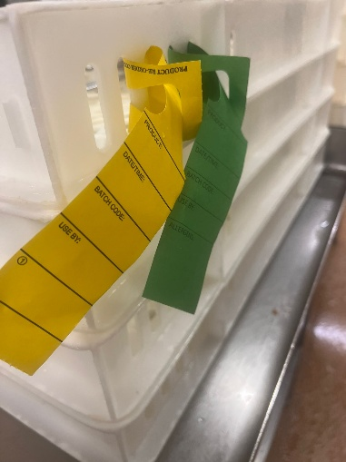

Colour coded tags- GREEN & YELLOW should be on the Vegetable Spring Roll 85g (TYJ Pastry)-Allergen MILK.

15 Vegetable Spring Roll (1275g)
TOTAL WEIGHT: 1275g

ALLERGY ALERT: WHEAT/BARLEY/ SOYA/ MILK

